1. Title Page
[Instacart Grocery Basket Analysis]

Project Name: Instacart Grocerz Basket
Date: 03.11.2022
Analyst Name: Nnaji Igwenagu Peter

Contents:
Population Flow
Consistency checks
Wrangling steps
Column derivations
Visualizations
Recommendations

2. Population Flow
 | Title page

Population flow

Exclusion flag
Condition: max_order < =5
Obervations to be removed: Some of the columns not necessary for the task was removed, the dataframe was divided into two parts (70%, and 30%), only the 30% dataframe was used for the 4.10 task.
Final total count of order_products_all: 7322980 (After the ajustments)

Orders_products_combined
Orders_products_merged
Orders_products_all

Total: 32404859
Total: 32434489
Total:
32404859

1.) The grey boxes in the first row of the population flow represent the original data sets as they were when you downloaded them. In the Total fields you need to add the count of the rows when you imported the data set into Jupyter.
2.) The second row of boxes (coloured) represents the data sets after you manipulated them, e.g., removed missing values and duplicates. In the Total fields you need to add the count of the rows after conducting these operations. This offers a visual oveview of how the data flows throughout the data consistency checks.
3.) The third row, where also the arrows are coloured, represents the merges you performed between the datasets. In the Total fields you need to add the count of the rows in the merged datasets, so that you end up with the final dataset (in the red box). Keep in mind the final dataset should be without exclusions (based on the exclusion flag).

3. Consistency checks
 |  |  |  | Title page
Consistency checks

Dataset | Missing values | Missing values treatment | Duplicates
orders | 206209 missing in the days_since_prior_order column | Left it like that | No duplicate was found
products | 16 misssing values from product_name | Printed it out, and created a subset of dataframe with only data without missing names | 5 duplicates found and removed
orders_products_prior | No missing values |  | No duplicates
customers | No missing values |  | No duplicates

4. Wrangling steps
 |  |  |  | Title page
Wrangling steps

Columns dropped | Columns renamed | Columns' type changed | Comment/Reason

 |  | order_id, user_id | The data type of the user_id was changed to string so that it could be excluded from my analysis,because it is not necessary important for the calculation.

 | order_dow, days_since_prior_order, n_dependants |  | The changing of the order_dow to orders-day_of_week was necessary because the order_dow was not clearly described. And chaging the variable name days_since_prior_order to days_since_last_order, was not necessary , but just to be able to perform the operation in the task. and lastly the n-dependants was changed to number_of_dependants.

eval_set |  |  | Dropping the eval_set column from the orders csv, because the information is not important for the analysis.
'Unnamed: 0','First Name','Surnam','Gender','STATE','date_joined','fam_status' |  |  | This columns were dropped from the customer data, to reduce the data size and enable perform merging operation, and due to data security conern too.
'days_since_prior_order','median','product_id','aisle_id','reordered','add_to_cart_order','product_name','_merge' |  |  | This columns were dropped from the orders_products_merged data, to reduce the data size and enable perform merging operation and also to enable me perform the data profiling in excercise 4.10.

5. Column derivations
 |  |  |  | Title page

Column derivations and aggregations

In this tab you should add tables below that the frequences of flags/label variables that you produced after deriving them. NB: don't do this for continuous variables, only for flags.
Dataset | New column | Column/s it was derived from | Conditions
df_ords_prods_merged | Price_range_loc | Prices | To be able to know the product price range, e.g mid_range, mid_range and high_range

df_ords_prods_merged | Busiest_day | orders_day_of_week | To be able to know the busiest_day of the week, e.g busiest_day, least_day and regularly_busy

df_ords_prods_merged | Busiest_days | orders_day_of_week | To be able to know the busiest_days of the week, e.g busiest_days, slowest_days and regularly_busy

df_ords_prods_merged | busiest_period_of_day | order_time_of_day | To be able to know the busiest_period _of_the_day, e.g mist_orders, Average_orders and fewest_orders

df_ords_prods_merged | Loyalty_flag | user_id,order_number | To be able to know customers loyalty with regards to the orders, e.g loyal_customers, regular_customers and new_customers

df_ords_prods_merged | Average_price | user_id, prices | To be able to know the spending capacity of the customers, e.g high_spenders, and low_spenders

df_ords_prods_merged | Median | user_id,days_since_prior_order | To be able to know how frequent a customer buys product e.g frequent_customer, regular_customer and non_frequent_customer

All_products_merged | Spender_flag | Income | To be able to know the spending capacity of the customers

All_products_merged | Region | STATE | To categorize the States into different regions for effective accessment.

6. Visualizations
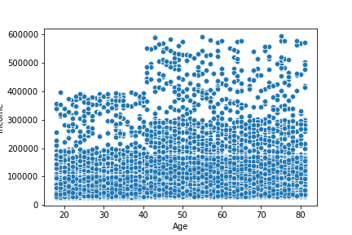
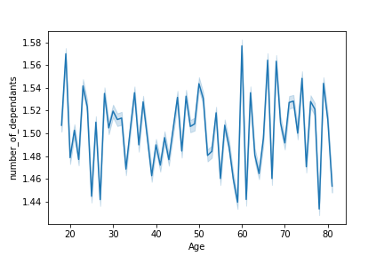
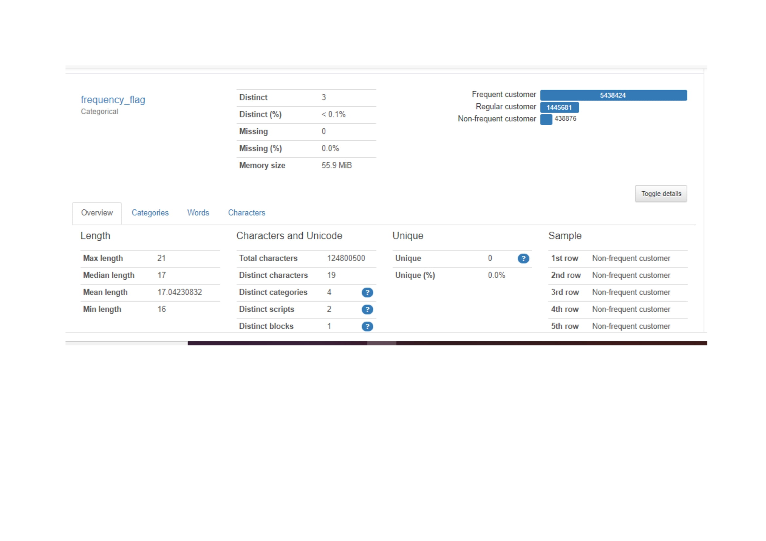
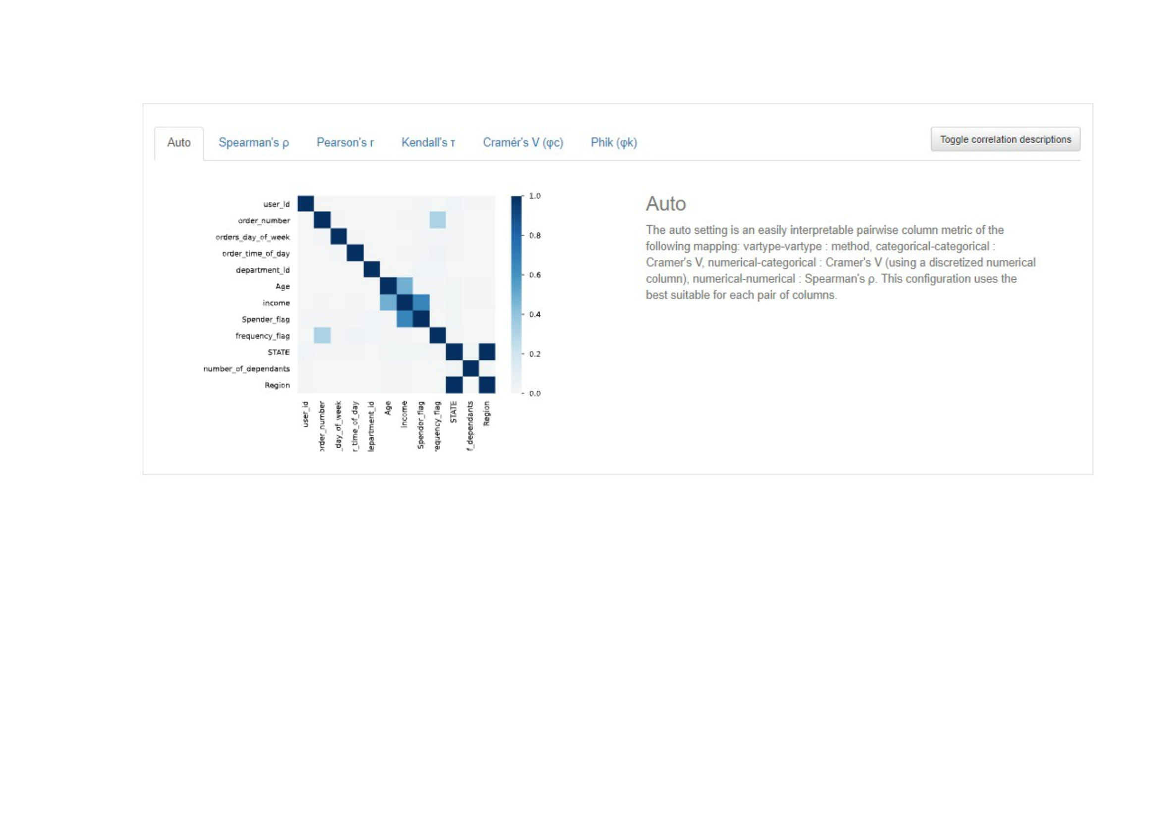
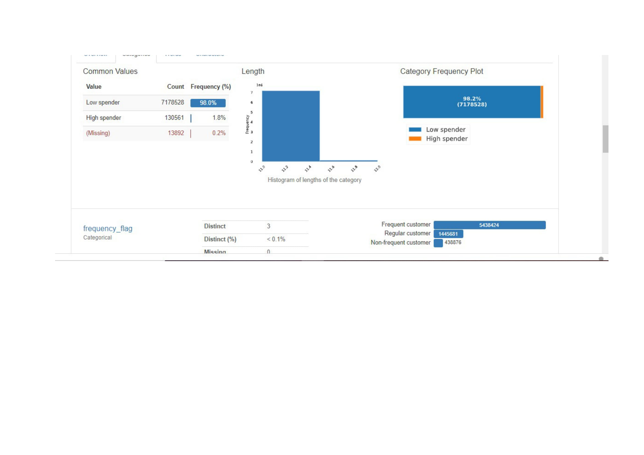
 |  |  | Title page

Visualisations

In this tab you should include all the visualtions from Exercises 4.9 and 4.10, alongside the questions from the project brief that they answer. Include any commentary on the relationship between different variables.

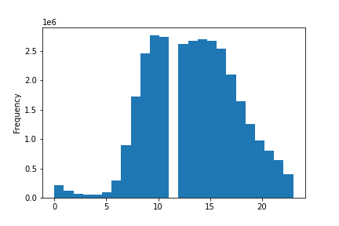
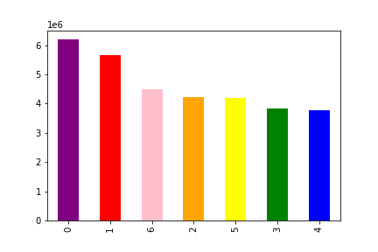

Key question 1: The sales team needs to know what the busiest days of the week and hours of the day are (i.e., the days and times with the most orders) in order to schedule ads at times when there are fewer orders.

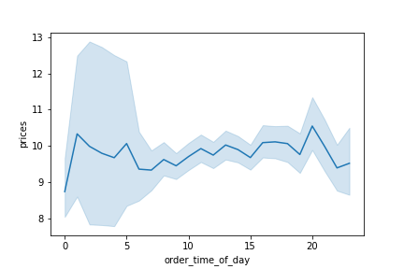
Key question 2: They also want to know whether there are particular times of the day when people spend the most money, as this might inform the type of products they advertise at these times.

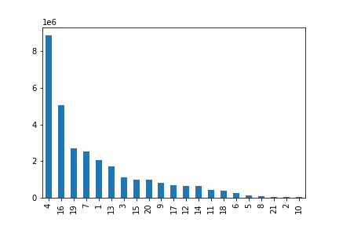

Key question 3: Instacart has a lot of products with different price tags. Marketing and sales want to use simpler price range groupings to help direct their efforts. Are there certain types of products that are more popular than others? The marketing and sales teams want to know which departments have the highest frequency of product orders.

Key question 4: What are the different types of customers in their system? ● Are there differences in ordering habits based on a customer’s loyalty status? ● Are there differences in ordering habits based on a customer’s region?● Is there a connection between age and family status in terms of ordering habits?● What different classifications does the demographic information suggest? Age? Income? Certain types of goods? Family status? ● What differences can you find in ordering habits of different customer profiles? Consider the price of orders, the frequency of orders, the products customers are ordering, and anything else you can think of. | 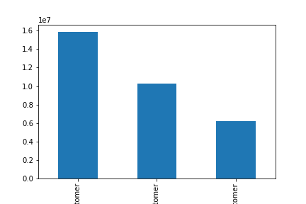 | 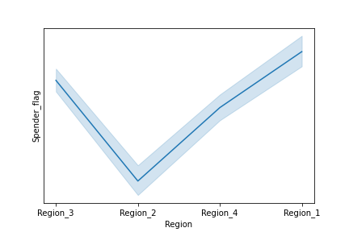

7. Recommendations
 |  |  |  |  | Title page

Recommendations

In this tab you should include any recommendations you would made to Instcart in terms of their marketing strategy based on the questions posed in the brief. Every key question has been covered in the Tasks of the Exercises - here you need to add an item - a visualisation or table/crosstable that is showing the answer in the data, acompanied by a comment from you. Please, list the questions below and add the answer underneath.

QUESTIONS | ANSWERS AND RECOMMENDATIONS | SUPPORT FOR RECOMMENDATIONS
Key Question 1 : The sales team needs to know what the busiest days of the week and hours of the day are (i.e., the days and times with the most orders) in order to schedule ads at times when there are fewer orders. | From this graphs Saturdays and Sundays are the busiest days and between 10am to 3pm are the busiest hours. Therfore, i would recommend more Staff allocation in this days and time.

Key Question 2: They also want to know whether there are particular times of the day when people spend the most money, as this might inform the type of products they advertise at these times. | The graph here showas that people spend most money around 1am and 20 hours.Therefore, i would recommend that products should be made avialable during this periods.

Key Question 3: Instacart has a lot of products with different price tags. Marketing and sales want to use simpler price range groupings to help direct their efforts. Are there certain types of products that are more popular than others? The marketing and sales teams want to know which departments have the highest frequency of product orders. | From the chart, the top 5 departments in order frequency are: PRODUCE, DAIRY/ EGGS, SNACKS, BEVERAGES, and FROZEN. Thus, attention should be paid to these products. |  | Departments
 |  |  | 1 frozen | 13 pantry
 |  |  | 2 other | 14breakfast
 |  |  | 3 bakery | 15 canned goods
 |  |  | 4produce | 16 dairy and eggs
 |  |  | 5 alcohol | 17 household
 |  |  | 6 international | 18 babies
 |  |  | 7beverages | 19 snacks
 |  |  | 8 pets | 20 deli
 |  |  | 9dry goods pasta | 21 missing
 |  |  | 10 bulk
 |  |  | 11 personal care
 |  |  | 1 2meat and seafood

Key Question 4: The marketing and sales teams are particularly interested in the different types of customers in their system and how their ordering behaviors differ. For example: | 4a) Loyalty among customers breaks down to: Regular customer = 15,876,776, Loyal customer = 10,284,093, New customer = 6,243,990

4a. What’s the distribution among users in regards to their brand loyalty ?

4b.Are there differences in ordering habits based on a customer’s loyalty status?

4c. Are there differences in ordering habits based on a customer’s loyalty status?

4d. Are there differences in ordering habits based on a customer’s region?

4e. Is there a connection between age and family status in terms of ordering habits? | 4b) Average ordering in the three cases is roughly the same across loyalty groups. Per transaction loyal customers spend less but order more frequently, the breakdown is as follows: Mean_loyal_customer = 10.386, Mean_new_customer = 13.295, Mena_regular_customer = 12.496

 | 4c) Loyal and regular customers are more likely to be higher spenders (spending on average more than $10 per order), Low spender = 31,770,614,High spender = 634,245

 | 4d) Are there differences in ordering habits based on a customer’s region? Yes, there are difference in ordering based on the regions: Region_1, has the highest ordering, followed by region_3.

 | 4e. Is there a connection between age and family status in terms of ordering habits?

 | Here the Age, income and ordering status are correlated, however, the Age,family_status are not corelated

Key Question 5:. What different classifications does the demographic information suggest? Age? Income? Certain types of goods? Family status? | The demorgraph suggest, Adult from 35 years and above, income of 40 000 and above annually, goods such as snacks, produce etc. And a family of atleast i dependants.

Key Question 6: What differences can you find in ordering habits of different customer profiles? Consider the price of orders, the frequency of orders, the products customers are ordering, and anything else you can think of. | This information, suggests that most of the customers are ordering essential food items at the beginning of the week like on Sundays for their families. This might be as a result of their engagement with offcie activities. They seems to be economically comfortable and most of them live in the Rregion_1 area. These orders are like to plan i order to prepare for the beginning of the week for school lunches for Children (snacks, beverages), fast dinners (frozen) for family that are highly engage with work, and simple meals (produce, dairy).

